Print Page 1
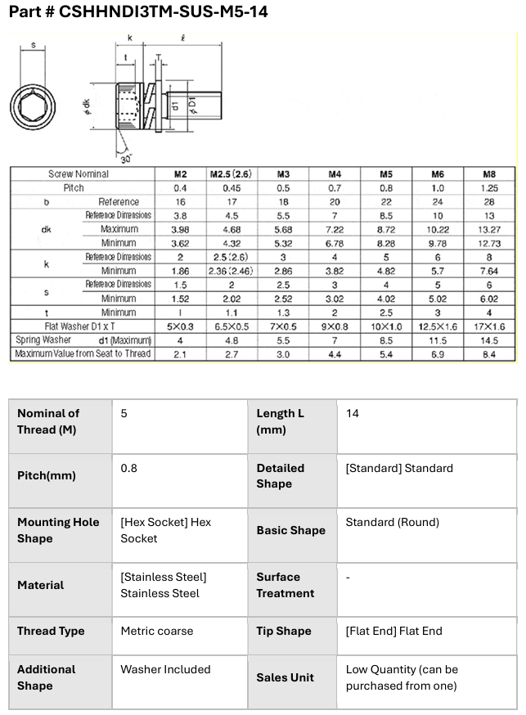
5
2
8
3
1

4
6
9
7

